Sheet1
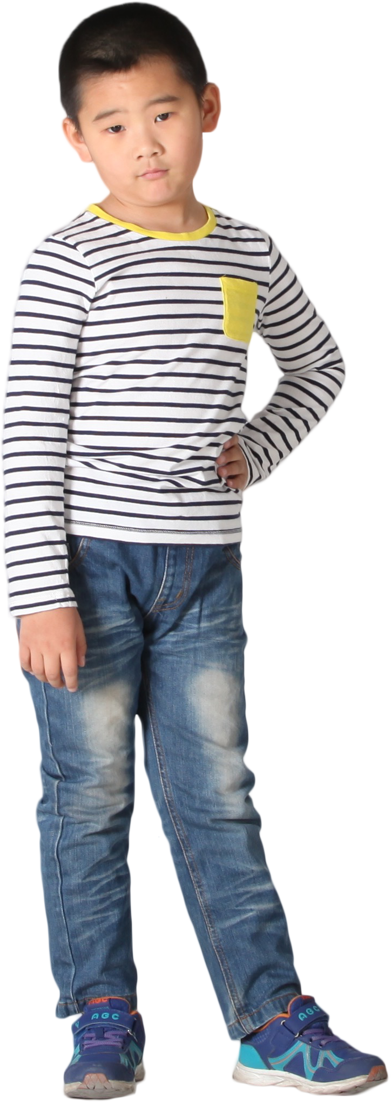
T1
Store | Responses | Green | Yellow | Red
C | Don't Agree | Agree | Neutral | Don't Agree
C | Agree | Satisfied | Nothing to Say | Not Satisfied
A | Superb | Happy | OK | Not Happy
C | Nothing to Say | Superb |  | Unhappy
A | OK | Great |  | Bad
T2
A | Nothing to Say | Cool
PROBLEM
RESULT
A | Nothing to Say
B | Unhappy
A | Superb
B | Satisfied
Table 1 (T1) has got customer satisfaction responses and Table 2 (T2) has got color coding of those responses.
Determine the ranking of these stores on the basis of % Green Responses.
Since C has highest % Green Response, hence it has been ranked 1.
C | Bad | Store | Rank
A | Happy | C | 1
A | Cool | A | 2
C | Not Satisfied | B | 3
B | Neutral | D | 3
A | OK
A | Agree
B | Superb
A | Unhappy
B | Satisfied
C | Nothing to Say
C | Cool
C | Happy
C | Nothing to Say
C | Agree
B | Bad
A | Don't Agree
C | Unhappy
B | Superb
B | Don't Agree
C | Not Happy
A | Not Satisfied
A | Cool
B | Nothing to Say
C | Happy
A | Don't Agree
C | Great
C | OK
B | Great
B | Unhappy
C | Happy
B | Not Satisfied
A | Neutral
C | Nothing to Say
B | Bad
A | Agree
B | Cool
A | Neutral
A | Don't Agree
A | Superb
C | Satisfied
A | Agree
B | Nothing to Say
A | Cool
B | Not Satisfied
C | Bad
A | Nothing to Say
A | OK
B | Cool
A | Superb
C | Happy
B | Don't Agree
A | Not Satisfied
B | Superb
C | Neutral
C | OK
A | Don't Agree
C | Satisfied
C | Not Satisfied
A | OK
A | Not Happy
A | Bad
B | Unhappy
C | OK
B | Agree
B | Not Satisfied
C | Not Satisfied
A | Great
B | Bad
B | Bad
A | Bad
A | Great
B | Superb
C | Happy
B | Not Happy
A | Unhappy
A | Happy
A | Neutral
B | Unhappy
C | Superb
B | Not Happy
B | OK
B | Happy
A | Neutral
B | Happy
C | Agree
A | Not Happy
B | Neutral
C | Not Satisfied
D | Bad
D | Satisfied
D | Neutral
D | Superb
D | Satisfied
D | Bad
D | Superb
D | Don't Agree
D | Nothing to Say
D | Great
D | Unhappy
D | Not Satisfied
D | Bad
D | Cool
D | Nothing to Say
D | Bad
D | Cool
D | Don't Agree
D | Superb
D | Unhappy
D | Agree
D | Not Satisfied
D | Unhappy
D | Unhappy
D | Superb
D | Not Happy
D | Unhappy
D | Not Happy
D | OK
D | Happy
D | Happy
D | Neutral

